Sheet1
Calculate Your Tax To Date (Cumulative Basis)
Tax Basis must be Cumulative for this calculation to be correct
Please complete from your own Payslip under Cumulatives (Year-to-date) (Just enter amounts in the grey cells B5, B6, B7) |  |  | Ensure Tax Basis is Cumulative on Payslip under the heading Details
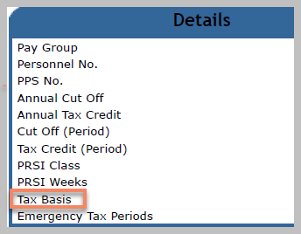
 | Cumulatives on Payslip
Cut Off/Rate Band | 0.00
Tax Credits | 0.00
Taxable Pay (on your payslip) | 0.00

The following table will automatically calculate Tax Payable when you have entered values in the grey cells above
Apply the standard rate of 20% to your taxable pay that is under your cut off/rate band value | Tax Due at 20% | 0.00
Apply the higher rate of 40% to your taxable pay that is greater than your cut off/rate band value. | Tax Due at 40% | 0.00
Add the two amounts calculated at 20% & 40% | Cumulative Tax Due | 0.00 | Cumulatives amount on payslip (Enter cumulative amounts in cell B5, B6, B7)
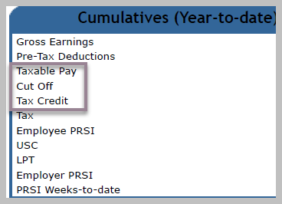
Take away the amount of your Tax Credit | Cumulative Tax Credit | 0.00
Tax Payable |  | 0.00

Reason why Tax payable is zero or less than expected
Your cumulative tax credits might be more than the cumulative tax due in a particular pay period. In this case, tax is not deducted from your pay for that period. You may also have not worked for previous months but you are still entitled to tax credits for the full year. In this case, you may pay less tax for a number of periods directly after the months you never worked.

